Calculations & tables Supplier
 |  |  |  |  |  |  |  |  |  |  | *Status 12/2022 |  |  | INCOTERM |  |  |  |  |  | Currency |  | Packaging Ownership | Part Classification
Handelsschiffe | 45,000.00 |  | 440000 | Tonnen Ladegewicht / Schiff |  |  |  |  |  | Recycling Cost Cardboard / Paper* | -56.00 | Info Knödl Franz 23.10.2024 |  | FCA |  |  |  |  |  | EUR | € | Project | A-Part
Tonnen CO2 | 850,000,000.00 | 18888.888889 |  |  |  |  |  |  |  | Recycling Cost Wood per ton | 160.00 | Info Knödl Franz 23.10.2024 |  | FOB |  |  |  |  |  | USD | $ | Location | B-Part
Container / Schiff | 20,000.00 | 0.94 |  |  |  |  |  |  |  |  |  |  |  | DAP |  |  |  |  |  | RMB | ¥ | Customer | C-Part
Gesamtgewicht max. | 22t |  |  |  |  |  |  |  |  |  |  |  |  |  |  |  |  |  |  | YEN | ¥ | Supplier
 |  |  |  |  |  |  |  |  |  |  |  |  |  |  |  |  |  |  |  | GBP | £ | CoC
 |  |  |  |  |  |  |  |  |  |  | Pack.Type | FULL | MT |  |  | Stackability Factor MTs |  | Tool ownership
 |  |  |  |  |  |  |  |  |  |  | OneWay | 1 | 0 |  | cost *1 | 1 |  | Supplier
 |  |  |  |  |  |  |  |  |  |  | Return1:1 | 1 | 1 | 1 | cost *2 | 2 |  | KB
 |  |  |  |  |  |  |  |  |  |  | Return1:2 | 1 | 2 | 0.5 | cost * 1,5 | 1.5 |  | Customer
 |  |  |  |  |  |  |  |  |  |  | Return1:3 | 1 | 3 | 0.33333333333 | cost * 1,333333333 | 1.3333333333
 |  |  |  |  |  |  |  |  |  |  | Return1:4 | 1 | 4 | 0.25 | cost * 1,25 | 1.25
 |  |  |  |  |  |  |  |  |  |  | Return1:5 | 1 | 5 | 0.2 | cost * 1,2 | 1.2
 |  |  |  |  |  |  |  |  |  |  | Return1:6 | 1 | 6 | 0.16666666667 | cost * 1,166666667 | 1.1666666667

 | Jan-22 | Feb-22 | Mar-22 | Apr-22 | May-22 | Jun-22 | Jul-22 | Aug-22 | Sep-22 | Oct-22
 | 230.97 | 109.03 | 0 | 100.99 | 119.11 | 145.4 | 161.92 | 124.45 | 111.05 | 123.34 | 1226.26 | 136.25111111

 |  | WH Cost
 | Cost repacking / hr | € Store IN | € Location | € Store OUT
---EMEA---
Aldersbach | 45.00 |  |  |  |  | working days | 242
CDC | 45.00
H&W BER | 45.00
Lisieux | 39.00
Arcore | 39.00 |  |  |  |  |  |  |  |  |  |  | 400 | 300
Irun | 39.00
Kecskemet | 27.00
Bristol | 39.00 |  |  |  |  |  | Europe
Peterlee | 39.00 |  |  |  |  |  | APAC |  |  |  |  | 720
Liberec | 29.00 |  |  |  |  |  | Americas
---APAC---
H&W DAL | 17.00 |  |  |  |  |  |  |  |  |  |  | Unit Type | Pcs/Boxes per LU | Boxes per layer | Cost per pcs | MT weight (kg) | L | W | H
Sakado | 32.00 |  |  |  |  |  |  | lead time
Namegawa | 32.00 |  |  |  |  |  | Road I | <6d |  |  |  | Cardboard S | 120 | 20 | 0.83 € | 0.25 | 294 | 194 | 137
Steering JP | 32.00 |  |  |  |  |  | Road II | 6-10d |  |  |  | Cardboard M | 60 | 10 | 1.64 € | 0.5 | 394 | 294 | 137
Thailand | 15.00 |  |  |  |  |  | Road III | >10d |  |  |  | Cardboard L | 30 | 5 | 3.86 € | 1 | 585 | 392 | 137
Pune | 9.00 |  |  |  |  |  | Rail | 5w |  |  |  | Cardboard XL | 15 | 5 | 4.46 € | 1.98 | 585 | 392 | 282
Shanghai I | 24.00 |  |  |  |  |  | Sea | 8-12w |  |  |  | Cardboard LU | 1 | 1 | 11.17 € | 12 | 1180 | 980 | 780
Shanghai II | 24.00 |  |  |  |  |  |  |  |  |  |  | KLT3147 | 96 | 16 | 5.36 € | 0.57 | 300 | 200 | 147
Dalian | 17.00 |  |  |  |  |  |  |  |  |  |  | KLT4147 | 48 | 8 | 9.84 € | 1.08 | 400 | 300 | 147
Chongqing | 22.00 |  |  |  |  |  |  |  |  |  |  | KLT6147 | 24 | 4 | 16.56 € | 1.82 | 600 | 400 | 147
Suzhou | 23.00 |  |  |  |  |  |  |  |  |  |  | KLT6280 | 12 | 4 | 17.99 € | 2.67 | 600 | 400 | 280
DETC | 24.00 |  |  |  |  |  |  |  |  |  |  | Gitterbox | 1 | 1 | 279.00 € | 70 | 1200 | 800 | 800
---Americas--- |  |  |  |  |  |  | 5 | weekly | Tagesbedarf x 5
Lebanon | 29.00 |  |  |  |  |  | 22 | monthly | Tagesbedarf x 22 |  |  | Average no. of layers per PU | 5
Elyria | 31.00 |  |  |  |  |  | 10 | bi-weekly | Tagesbedarf x 10 |  |  | Average no. of layers per LU | 20
Huntington | 31.00 |  |  |  |  |  | 1.6666666667 | 3x/week | Tagesbedarf x 5/3 |  |  | Cardboard layer KLT S | 540 |  | 0.07 € | 0.04 | 294 | 194
Huntington DC | 31.00 |  |  |  |  |  | 2.5 | 2x/week | Tagesbedarf x 5/2 |  |  | Cardboard layer KLT M | 270 |  | 0.12 € | 0.06 | 394 | 294
Dampers | 33.00 |  |  |  |  |  | 1 | daily | Tagesbedarf x 1 |  |  | Cardboard layer KLT L/XL | 135 |  | 0.27 € | 0.12 | 585 | 392
Sparks | 31.00 |  |  |  |  |  |  |  |  |  |  | Cardboard layer EURO Pal | 20 |  | 0.57 € | 0.42 | 1170 | 770
Del Rio / Acuna P3 | 29.00 |  |  |  |  |  |  |  |  |  |  | Cardboard layer ISO Pal | 20 |  | 0.94 € | 0.39 | 1170 | 970
Bowling Green | 33.00
Hanover | 33.00 |  |  |  |  |  |  |  |  |  |  | Cardboard LID | 1 | N/A | 1.50 € | 0.6 | 1200 | 1000 | 20
Montreal | 34.00 |  |  |  |  |  |  |  |  |  |  | KLT LID | 1 | N/A | 42.55 € | 5.58 | 1200 | 800 | 30 (94)
Acuna P1 | 13.00
Acuna P2 | 13.00 |  |  |  |  |  | One Way |  |  |  |  | ISO Pallet | 1 | N/A | 21.00 € | 12 | 1200 | 1000 | 120
Mexico City | 13.00 |  |  |  |  |  | Returnable |  |  |  |  | EURO Pallet | 1 | N/A | 24.50 € | 15 | 1200 | 800 | 144
Brazil | 11.00
 |  |  |  |  |  |  |  |  |  |  |  | Average no. of blisters per PU | 2
 |  |  |  |  |  |  |  |  |  |  |  | Average no. of blisters per LU | 20
 |  |  |  |  |  |  |  | Cost / h |  |  |  | Blister S | 192 |  | 2.17 € | 0.1 | 300 | 200
 |  |  |  |  |  |  | Type of goods | No. LU /h |  |  |  | Blister M | 96 |  | 3.84 € | 0.2 | 400 | 300
 | 1.70 |  |  |  |  |  | Blister | 5 |  |  |  | Blister L | 48 |  | 6.99 € | 0.4 | 600 | 400
 | 3.40 |  |  |  |  |  | Bulk Material | 17 |  |  |  | Blister XL | 24 |  | 6.99 € | 0.4 | 600 | 400
 |  |  |  |  |  |  | Standard | 10 |  |  |  | Blister LU | 20 |  | 6.99 € | 3.2 | 1200 | 800

 |  |  | 1000
 |  | g/tkm | kg/tkm |  |  |  | LU / truck | €
 | Sea | 31.516 | 0.031516 |  |  |  | 60 | 133.33 | K75 | Sea | 8000
 | Rail | 16.038 | 0.016038 |  |  |  | 60 | 83.33 | K76 | Rail | 5000
 | Road | 69.59375 | 0.06959375 |  |  |  | 96 | 62.50 | K77 | Road | 6000
 |  |  |  |  |  |  | 96 | 62.50 | K78 | E-Truck | 6000
 |  |  |  |  |  |  |  |  | K79 | H2-Truck | 6000
 |  |  |  |  |  |  |  |  | K80 | Milk Run
 |  |  |  |  |  |  |  |  | K81 | LTL
 | Preferencial use |  | Incoterms |  |  |  |  |  | K82 | FTL
 | Y |  | FCA
 | N |  | DAP
 |  |  | FOB
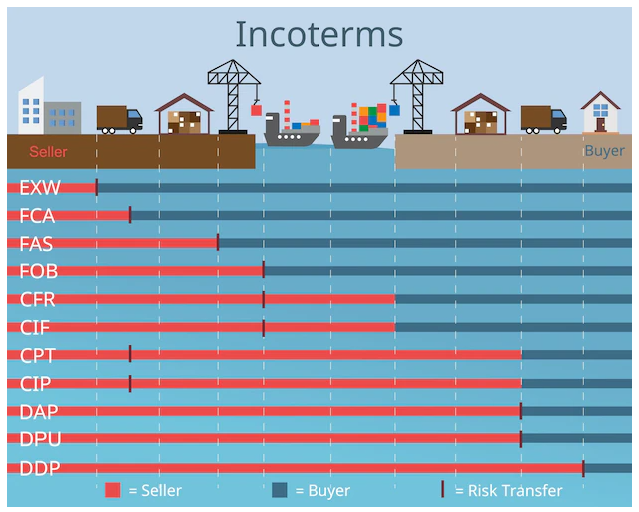
 | Preferencial use |  | EXW
 | CoC
 | Supplier

 | Supply Web / Jaggaer
 | EDI
 | Mail
 | other

 |  |  |  |  | CO² costs
 |  |  |  |  | until end 2024 | 25.00 €
 |  |  |  |  | 2025 | 50.00 €
 |  |  |  |  |  | 100.00 €
 |  |  |  |  | from beginning 2026 | 60.00 €
 |  |  |  |  |  |  | (average (55-65€/t)

 |  |  |  |  | 5 days stock on hand

Part No. Overview
 | #REF! |  |  |  |  |  |  |  |  |  |  |  | 44
 | Material Number | Vendor No. | Vendor Name | Vendor Country | Vendor DP | KB Location | Weight (kg) | Incoterm | SOP | Total Demand | Average Yearly Demand | Total Cost (per pc) | Pc Price | Total Logistics Cost (per pc) | Packaging Cost (per pc) | Repacking Cost (per pc) | Customs Cost (per pc) | Transport Cost (per pc) | CO2 Cost (per pc) | Warehouse Cost (per pc) | Excessive Inventory (per pc) | Inventory Interest (total) | Other Cost (per pc)
1 | #REF! | #REF! | #REF! | #REF! | #REF! | #REF! | #REF! | #REF! | #REF! | #REF! | #REF! | #REF! | #REF! | #REF! | #REF! | #REF! | #REF! | #REF! | #REF! | #REF! | #REF! | #REF! | #REF!
2
3
4
5
6
7
8
9
10

NEEDS SOME "PROGRAMMING"

LINK TO BUDGET NEEDS TO BE ADDED

How to_Manual_supplier
 | What to fill in? | Where to find the information? | Responsible
Material Information
Material No. | material number | Material specification or drawing | PUR
Material Description | text - what is the description / name of the material | Material specification or drawing | PUR
Weight per pcs (kg) | weight in kg | Material specification or drawing | PUR | review and discussion w/ "Responsible" required

Daily demand (average) | auto fill
Annual volume (average) | devide Total Volume by years of production | sales / damand plan / PAFF | PUR/IE
Total volume (lifetime) | insert total volume | sales / damand plan / PAFF | PUR/IE
Peak year | year in which the project reaches highest customer call off | sales / damand plan / PAFF | PUR/IE

Supplier Information
Vendor ID | supplier code | Supplier nominiation contract / SAP / supplier information | PUR/IE
Vendor Name | name of supplier | Supplier nominiation contract / SAP / supplier information | PUR/IE
Vendor Country | country code short (e.g. DE [Germany], CN [China], US [United States]...) | Länderkürzel – SELFHTML-Wiki | PUR/IE
City of manufacture | city name (e.g. Shanghai, Berlin, Ostrava…) | Supplier information | PUR/IE
Vendor ZIP | ZIP code of city of manufacture | Supplier information | PUR/IE

KB location Info
KB Plant | select KB production / warehouse location from drop down menu | Tender documents | PUR/IE (drop down)
KB Plant - Country | country code short (e.g. DE [Germany], CN [China], US [United States]...) | Tender documents Länderkürzel – SELFHTML-Wiki | PUR/IE
Distance I (km) | distance from supplier location to KB location in km (e.g. supplier in Shanghai, CN - KB location Aldersbach, DE - 8.777 km /// enter: 8.777) | google maps - enter locations (ZIP codes / street name if available - min. city name) | LOG

Operations Information
Incoterm | choose incoterm from drop down menu (FCA, DAP, EXW …) | Tender documents - always use the latest status Please also check the document in the following link TSC - 02_Working Files - All Documents (sharepoint.com) | LOG (drop down)
MOQ | volume - number of pcs per box | Supplier nominiation contract / SAP / supplier information | PUR
EDI (Y/N) | y if EDI connection available // n if EDI connection not avialable | Supplier nominiation contract / SAP / supplier information | PUR
LOG Agreement (Y/N) | y if LOG agreement signed // n if LOG agreement not signed | Supplier nominiation contract / SAP / supplier information / sourcing board information | PUR
Lead time | Total lead time from supplier start of delivery to arrival at customer | logistics information - transportation int. / ext.: LOG production lead time / throughput time: IE | PUR/LOG/IE
Tool ownership | "Supplier" if tool belongs to supplier / "KB" if tool belongs to KB / "Customer" if tool belongs to customer | contract information / supplier information / customer information | IE (drop down)

Pcs Price | price in € per pc | contract information / supplier information | PUR

Logistics cost supplier (pcs) | auto calc.

Packaging cost (pcs) | auto calc.
Packaging characteristics | select from drop down menu according to C38 | depending on supplier location and shipping method | LOG (drop down)
Packaging type (box) | select defined packaging type from drop down menu according to C39 (standardized packaging calculation mode available [not yet rolled out] | consult packaging test with supplier and define weather it is returnable or one way packaging | LOG (drop down)
weight per box (empty in kg) | auto fill
No. of boxes per LU | auto fill
Price / pc | auto fill
Packaging type (pallet) | Select ISO Pallet or EURO Pallet from drop down menu | choose between ISO and EURO pallet, depending if it is an overseas supplier (Rail or Sea transport) or continental supplier (Road transport) - can also be seen if packaging is Returnable or OneWay | LOG (drop down)
weight pallet (empty in kg) | auto fill
No. of pallets per LU | auto fill
Price / pc | auto fill
Packaging type (lid) | Select KLT Lid or Cardboard LID from drop down menu | select between KLT Lid or cardboard Lid from the drop down menu, depending if it is an overseas supplier (Rail or Sea transport) or continental supplier (Road transport) - can also be seen if packaging is Returnable or OneWay | LOG (drop down)
weight lid (empty in kg) | auto fill
No. of lids per LU | auto fill
Price / pc | auto fill
Packaging type (layer) | Select Layer type from drop down menu | select layer type from drop down menu consult packaging test with supplier and define weather cardboard / paper layers are required | LOG (drop down)
weight per layer | auto fill
No. of layers per LU | auto fill
Price / pc | auto fill
Packaging type (Blister) | Select Blister type from drop down menu | select blister type from drop down menu consult packaging test with supplier and define which blister is required - overseas or returnable as well as size are depending on the packaging test | LOG (drop down)
weight blister | auto fill
No. of blisters per LU | auto fill
Price / pc | auto fill

Filling Qty (pcs/box) | enter no. of pcs per box (KLT/Cardboard/GLT) depending on packaging type (standardized packaging calculation mode available [not yet rolled out] | consult packaging test and define packaging type with highest no. of pcs per LU | LOG
Filling Qty (pcs/LU) | auto fill

No. of boxes (project) | auto fill
No. of pallets (project) | auto fill
No. of lids (project) | auto fill
No. of layers (project) | auto fill
No. of others (project) | auto fill

Packaging cost (box) TOTAL | auto fill
Packaging cost (pallet) TOTAL | auto fill
Packaging cost (lid) TOTAL | auto fill
Packaging cost (layers) TOTAL | auto fill
Packaging cost (blisters) TOTAL | auto fill

Empties scrapping (cardboard/paper) | auto fill
Empties scrapping (wood) | auto fill

Repacking cost (pcs) | auto calc.
Repacking cost / hr | auto fill
Type of goods | Select from drop down | Depending on the type of goods, the repackging cost will be calculated. To calculate everything with the correct cost, every plant needs to input their logistics cost per hour - if there is a returnable packaging defined, a repacking is not allowed. The packaging type needs to be defined in a way that the line supply is possible with agreed packaging | LOG (drop down)
Repacking cost per LU | auto fill

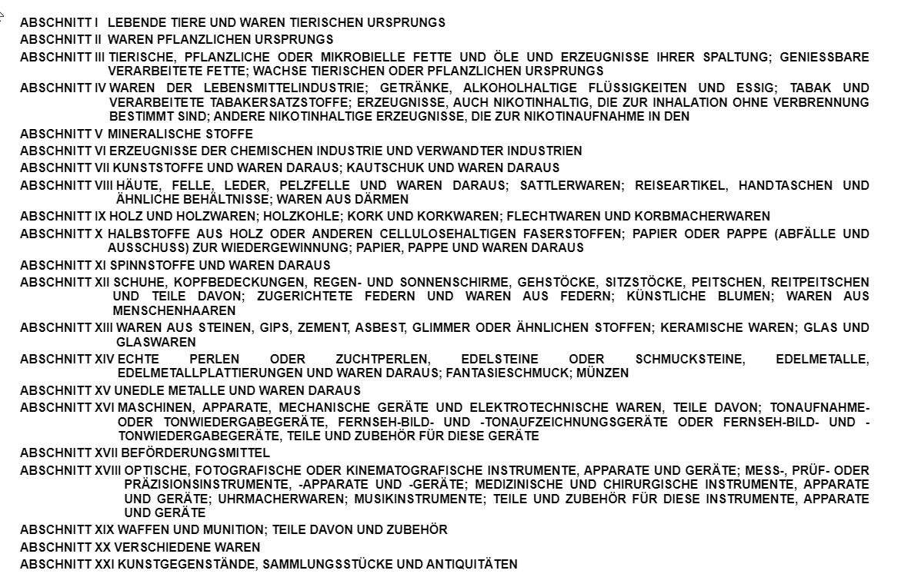
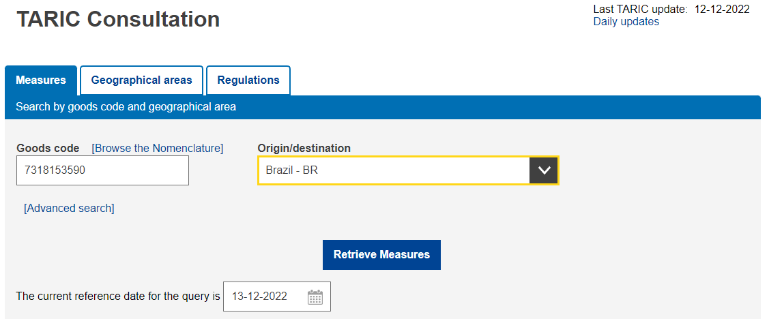
Customs cost (pcs) | auto calc.
HS code | [1] fill in HS code |  | LOG
Duty rate (% of pcs price) | [2] percentage of TARIC code (add 19% for tax) | TARIC-Konsultation (europa.eu) Find goods code in TARIC list Choose country of origin in drop down menu by clicking "Retrieve Measures" | LOG
Duty cost (pcs) | auto fill
Tariff rate (% of pcs price) | [3] percentage of tariff suspension | TARIC-Konsultation (europa.eu) Find goods code in TARIC list Choose country of origin in drop down menu by clicking "Retrieve Measures" | LOG
Tariff cost (pcs) | auto fill
USMCA Eligible | auto fill
Preferencial use available y/n | y/n | depending on origin and value of product | LOG (drop down)

Transport cost (pcs) | auto calc.
Transportation mode I | Select transportation mode I from drop down menu | The transport mode is directly related to the supplier and KB location - transport within country = truck - transport within region APAC = sea / truck - transport within region Europe = truck - transport within region MEA = sea / truck - transport within region Americas = truck/rail - worldwide transport = rail / sea | LOG (drop down)
Transportation mode II | select from drop down menu | depending on the packaging type / supplier location | LOG (drop down)
Transportation frequency | select from drop down menu | Transport frequency is directly related to inventory / storage value - the lower the transport frequency, the higher the inventory / storage value Target is a high transport frequency to avoid inhouse inventory / storage Woher kommt die Information??? | LOG (drop down)
Transportation cost per LU (full) | auto fill
Empties | tbd
[1]
[2]
[3]
Transportation cost per LU (MTs) | tbd
Truck usage | select from drop down menu | Definition if volume is enough for single truckload or if it is more feasible to add goods onto a milk run (this is especially possible if the supplier is sitting in the "neighborhood" of other exisiting supplier) ATTENTION: if truck usage is "milk run" - it might be feasible to review other suppliers as well (transport optimization) | LOG (drop down)

CO2 cost (pcs) | auto calc.
weight per LU (kg) | auto fill
emission | auto fill
CO2 cost per ton | select cost from drop down menu | 25€ per ton - until end 2024 50€ per ton - within 2025 55€ - 65€ per ton - from 2026 onwards | LOG/PUR (drop down)
CO2 total cost | auto fill
Full LU per ton (1.000 kg) | auto fill
CO2 cost per LU | auto fill
CO2 bonus (max. - 5%/+5%) | auto fill

Warehouse cost (pcs) | auto calc.
No. of storage locations local supply | auto fill
No. of days (1 pal) | auto fill
Cost per storage location | cost per storage location (incl. handling - put away, stock holding and picking) | locations know their cost per storage location! | LOG
Safety stock | auto fill
Safety stock (No. of pal) | auto fill

Excessive inventory cost (pcs) | auto calc.
No. of additional storage loc. | auto fill
No. of additional inventory pcs. | auto fill

other / additional cost (pcs) | auto calc.
Tooling cost | auto fill
Special Equipment cost | auto fill
others (not tooling / equipment) | auto fill

TOTAL cost (pcs) | auto calc.

